Question
I | Answer the following | 15 X 1 =15
 | Perform the activities related to Sorting Data, Number Formatting, and Chart Creation as shown in the given table:
 | 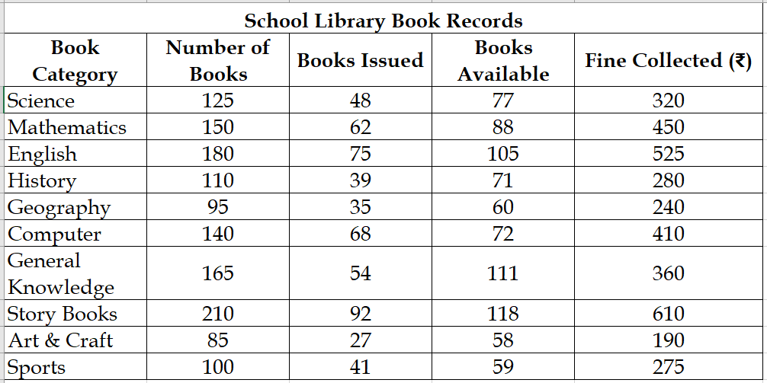

 | Using the given table, complete the following steps:
 | a) Use Custom Sort to sort the data by Books Issued – Largest to Smallest, and apply All Borders, then apply a Thick Outside Border to outline the table clearly.
 | • Apply Merge & Center correctly to the heading
 | • Apply Center Alignment and positions the sub heading neatly.

 | Number Formatting (Currency, Number, and Percentage)
 | 1. Number format → Number of Books, Books Issued, Books Available
 | 2. Currency format (₹) → Fine Collected
 | 3. Percentage format → Add a new column Books Issued % and calculate the percentage of books issued from the total number of books.

 | c) Create a Column Chart using Book Category and Books Issued, and complete the following within the chart:
 | · Add a suitable Chart Title
 | · Add suitable Axis Titles.
 | · Add Data Labels.
 | · Apply a suitable Chart Style.
 | · Position the chart neatly.
 | • Add Data Labels and set the label position to “Outside End.”

